Process for AR collection
Template for the divisions' reporting of ESG data attributes on Sustainable arrangements (so called "green products")

Template:

DRAFT PROCESS TO BE AGREED WITH STAKEHOLDERS
Komplettera med:
Uppdatera länk till template.
Process för löpande uppdatering av PC
F&R process för utskick av filer, och insamling. Kontaktpersoner.
Madeleine lägger till sidor med historisk data per division inkl collection. Ta bort röd färg. Dölj alla kolumner som div inte behöver. Byt till ett HYP exempel i process 2.
Lägg till Base currency I attributen

Link to template:
Master template ESG arrangement collection

First and second collection:
F&R produce a list including all arrangement included in the latest report, including all reported attributes. First report as per 2023-03-31 (Produced by Madeleine Lauritzen, Pial Haque, Jonas Solehav, Anna Horohonova)
F&R produce a list including produce a list including all financial data and ESG data from BIW/Ekot info BD 1
F&R validation BD 2
F&R load table to BIW BD 4
Process 1 – semi-manually collected arrangements | Process 2 – automated mortgage loans in HYP and car leasing
First collection:
F&R produce a list including all arrangement included in the latest report, including all reported attributes. First report as per 2023-03-31 (Produced by Madeleine Lauritzen, Pial Haque, Jonas Solehav, Anna Horohonova)
F&R update financial data and add new transactions based on BIW/Ekot info. Per division and product. - Send to business latest BD -7
Divisions complement new arrangements with ESG data (and update existing arrangements required). – Send to Madeleine Lauritzen latest BD 3
F&R validation BD 4
F&R load table to BIW BD 4
Monthly collection:
F&R update financial data and add new transactions based on BIW/Ekot info. Per division and product. - Send to business latest BD 1
Divisions complement new arrangements with ESG data (and update existing arrangements required) – Send to Madeleine Lauritzen latest BD 3
F&R validation BD 4
F&R load table to BIW BD 4

Decided definitions
Decided and agreed interpretations, scoping and methods |  | UNDER CONSTRUCTION
Issue | Template/report | Regulatory instruction: | Agreed method/solution/scope: | Responsible / proposal | Date
Average weighted maturity and buckets | P3 Template 1 | P3 sust Annex II instruction: "For the computation of the average maturity of the exposures, institutions shall weigh the maturity of each exposure by the gross carrying amount of the exposures." | 1. Set up identification of Open-ended maturities and missing maturities, “Bad Maturities”, via flag or similar. 2. Set negative maturities to zero (0). 3. Buckets: we need to report all balances and then place the Bad Maturities probably in the last bucket, and negative maturities in the first bucket. The Sum of Balance is then intact. 4. Weighted Average Maturity: it is important to exclude Bad Maturities from calculations. We do that by Filtering out bad records. 5.For bad Maturites that are filtered out, it is also important to keep the negative maturities floored to zero, and also maybe consider a cap for maturities that are not Open-ended but over 50 years, not to get distorted/noisy/Skewed data. 6. RDD, it is the actual Maturity that should be used, the YRS_DT_TO_MAT from 01-table (remaining maturity). Not the Effective Maturity that is also in 01 or the maturity (effective) in 09 RAC. | Martin Karlberg | 2022-11-29 | 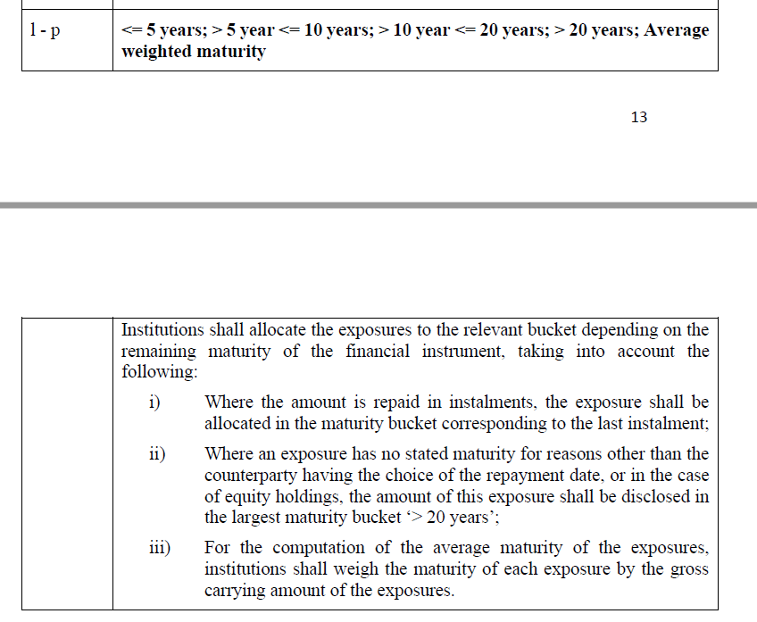
SEB legal entities in scope | P3 Template 1 | The gross carrying amount, as defined in Part 1 of Annex V to Commission Implementing Regulation (EU) 2021/451, of those exposures towards non-financial corporates, including loans and advances, debt securities and equity instruments, classified in the accounting portfolios in the banking book according to that Regulation, excluding financial assets held for trading or held for sale assets. (The same definition as in FINREP and COREP). PRIORITY: SEB AB 1080, 1040, 1299, 1515, 1525, 1535. 1217 SEB Leasing OY will be added. | The current 7 legal entities are in scope for 2022 and 2023. SEB AB, Baltics*3, SEB Kort, Leasing Oy,DSK Hyp (1080, 1040, 1299, 1515, 1525, 1535, 1217 = coverage 99,5%. DSK Hyp will be included in 2022 reporting, not in 2023 (being closed down). | Lotta Sandberg | 2022-08-22
SEB legal entities in scope | GAR | The same LE in GAR and Pillar3. But GAR should also include Insurance companies and IM. Also Should be marked in sheet "Legal entities". Need additional adjustments/ elimination. |  | Lotta Sandberg | 2022-08-22
NACE mapping with CRNT_INDS_CODE and SNI | P3 Template 1 |  | Owner - Pernilla Sjölin. Development is done, now please order access right to this table and then i will make demo how to use this NACE table - Order access via this form (Reporting Engine (RPE) - access rights): https://jira-general.sebank.se/plugins/servlet/desk/portal/596/create/4623 Type of request: Add; Access: Reporting Engine - Common Mappings; Environment: Acceptance Test and Production | Martin Karlberg, Maria Dahle
Is it world's 20 companies or SEB clients | P3 Template 4 | CONCLUSION: The worlds top 20 with an exposure in SEB. (P3 sust Annex II Instruction: "... shall include aggregated and anonymised information on the gross carrying amount of exposures towards up to 20 counterparties of the institution that are among the top 20 most carbon-intensive corporates worldwide. Information shall be based on publicly available reputable and accurate information. Examples of data sources to identify the top carbon-emitting companies include Carbon Majors Database and Reports of the Carbon Disclosure Project and Climate Accountability Institute as well as Thomson Reuters.") |  | Maria/Mikael
Only exposures towards non-financial corporates should be included into column "Gross carrying amount" ? | P3 Template 1 | Only non-financial |  | Maria | Regulation
Is that ok that equity instruments at carrying amount goes to column "Gross carrying amount"? | P3 Template 1 | CONCLUSION: Yes, confirmed by Eva B. |  | Viktorija | Eva B.
Is that ok that equity instruments cannot be splitted into "Of which stage 2 exposures" and "Of which non-performing exposures"? | P3 Template 1 | CONCLUSION: Ok. Cannot be classified.
We do not include insurance companies into Finrep reporting. Pillar 3 uses the same approach? Should we exclude insurance companies transactions in the P3/GAR templates? | P3 Template 1 | My view is that the breakdown of exposures into stage 2, impairment, time buckets, CCM etc is only applicable for the banking book (i.e. non-financials), but in order to have the complete view on the gross carrying amount we include all other companies in rows 54-55, to be confirmed with the Requirements team | Still need confirmation. Instructions are not clear on this. Should be discussed with the Bankföreningen. Lotta. Insurances companies will be excluded. Continue discussions with auditors regarding Taxonomy | Lotta
Column "Of which stage 2 exposures" in template 1 should include performing and non-performing exposures of stage 2? | P3 Template 1 | CONCLUSION: Both |  | Mikael | Regulation
Intercompanies transactions? |  | not material for included entities
Currency SEK? |  | YES
Do we need aggregate for each entity or one aggregate for all? Do entities can see each other? |  | Each, need detail data from additional entities |  | Saidas
How other subsidiaries will get and report sustainability related data in template 1? |  | in RPE/Eagle |  | Saidas
How about manual adjustments made in GRP. Will it be possible to upload same adj to RPE, so that Finrep and Pillar template I will reconcile? |  | Better could be adjusted by business or requested by business what to correct. Mykolas will look with Viktorija/Erika 2 adjustment will be needed (Parent and other). Saidas will check with Aurimas. Adjustment will be done in Eagle as the last step. |  | Martynas | Giedrė
Since we do not take Insurance companies in Pillar 3 we need to include "Inter vs Insurance" exposures as external? or we report only external exposure? | All | For GAR only external
Temp 2 - Sweden, Finland, Norway and the Baltics (Estonia, Latvia, Lithuania) – what are the legal entities here? Other will provide manually? | Template 2 | yes |  | Viktorija/ Erika
Temp 5 - Baltics (Estonia, Latvia, Lithuania) and only mortgages in Sweden – what are the legal entities here? Other will provide manually? Gross carrying amount should include those 7 entities? | Template 5 | yes |  | Viktorija/ Erika
How to filter exposures by non-EU and EU? By TAX_CNTRY_CODE? | GAR | flag from FR360. Is it in RPE? |  | Viktorija/ Erika
Climate Change physical events | Template 5 | Only first column will be filled by RPE (copy from Templ. 1 and 2). Emil file and Daniel will take care about the rest.
How IM and Life will give the data? | GAR | We will not take IM and Life in 2022 (manual adjustments)
Paris-benchmark agreement list for other entities? | P3 | It is all. Updated yearly | Maria: Ownership for Paris-benchmark and TOP 20? | Martynas
How to identify housing financing? | GAR | GG+mortgage loans flag YES+ flag local gvnmt YES. this is done in other reporting today for Sweden. Need industry code/cutomer category +? Niklas will get back. |  | Maria
TOP20 | Template 4 | list is provided, DRT team done, waiting for ART |  | Daniel
Industry codes in SEB KORT. Many clients are in Kurre, but not in RPE |  | DECISION: keeap as it is in 2022 reporting. Discussion will be held with SEB Kort. |  | Maria
Old Nace mapping in Reference data platform |  | Maria will contact Pernilla Sjölin | Curretly the latest file is in RPE | Maria
Only EU? Norway? | Template 2 | Maria has checked with Finance and Norway is included in the EU area in the current Pillar 3 report. The decision is therefore to let the ESG Pillar 3 follow the current Pillar 3 and include Norway in the EU. (Note that in the Taxonomy and the GAR templates Norway is not included in EU. But we are hoping that the EC decision will be to include it for the 2023 reporting)

NFRD&CSRD def
NFRD companies:
Large companies in the EU that are:
Public interest entities (PIE) in the EU that fulfill the following criteria:
With more than 500 employees
With more than €40M in annual turnover or more than €20M in total assets
PIE = - Listed companies in the EU
- Credit institutions (listed or not)
- Insurance companies (listed or not)
- Other companies designated by national authorities as public-interest entities
The definition of NFRD in Finansinspektionen's homepage is incorrect
and Bankföreningen will ask if FI could consider changing it.
Agreed between BD and the banks in the Taxonomigruppen

CSRD companies:
Large companies
1. Listed companies in the EU (excluding micro-companies)
2. Companies in the EU meeting two of the following three conditions:
with 250 or more employees
with more than €40M in annual turnover
with more than €20M in total assets
3. Non-EU companies with a turnover of more than €150M in EU and with at leats one subsidiary or branch in the EU
Exemptions:
A subsidiary will be exempt if the parent company includes the subsidiary in its report that complies with the CSRD Non-EU parents if they publish information that is equivalent to EU standards and includes information related to the subsidiary and is available when the subsidiary publishes its management report
Non-EU parents if they publish information that is equivalent to EU standards and includes information related to the subsidiary and is available when the subsidiary publishes its management report
Non-listed SMEs
The first report dates based on CSRD :
31 December 2024 – for companies in scope of NFRD (report in 2025)
31 December 2025 – for large companies that are not presently subject to the NFRD, but meet at least two out of three CSRD criteria (report published in 2026)
31 December 2026 – for listed SMEs (report in 2027). Separate standards will be published for this group, this will be expected in October 2023 (report published in 2027)
31 December 2028 - non-EU companies with a turnover of more than €150M in EU and with at leats one subsidiary or branch in the EU (report published in 2029)
Note! SEB has taken the decision not to include any "Other public interest companies" based on local domestic rules in the reporting for 2022-2023.
The same applies for NFRD flags delvered by ISS via Tellus.

